Sheet3
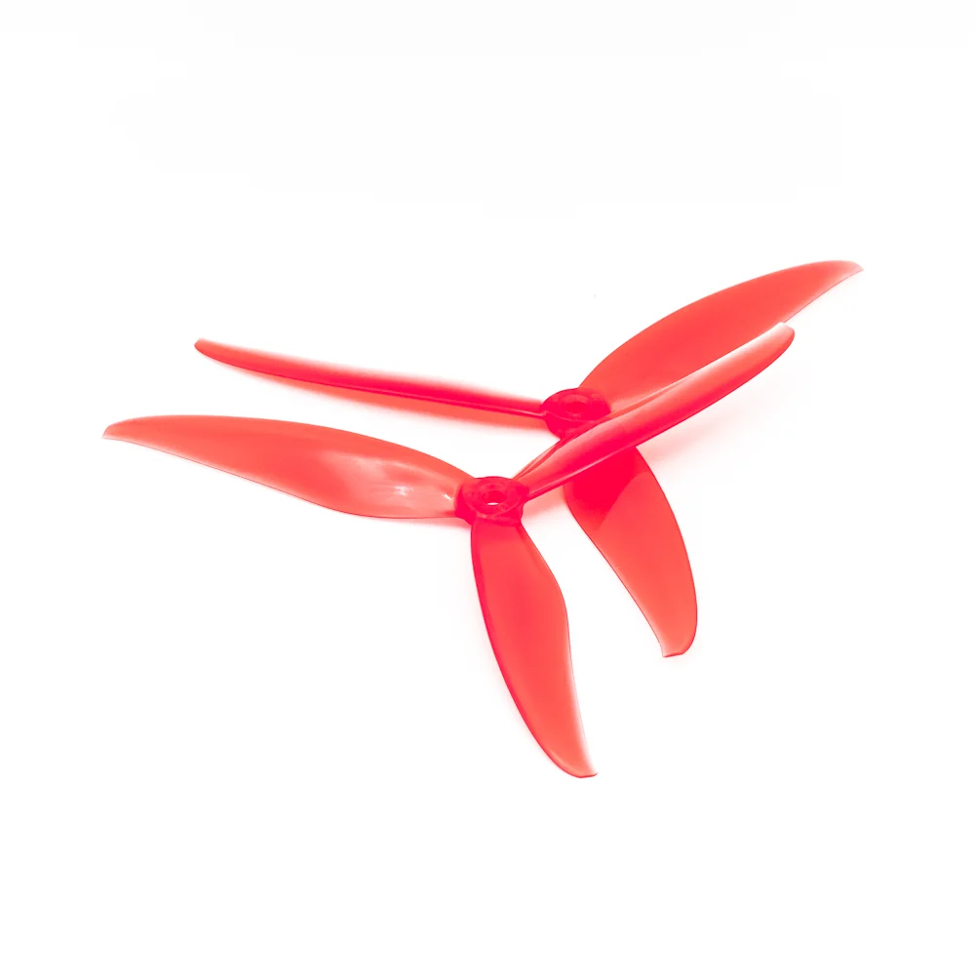
Min TWR | 1.5 | Flight min | 15 | Usable | 80% | Power margin | 115% | Pack Wh/kg | 180 | Burst W/kg | 1300 | EMAX E3 2807 1300KV | k | https://rcdrone.top/products/eamx-ecoiii-series-2807-3-6s-1300kv-1500kv-1700kv-brushless-motor-drone-motor-accessories
Avionics/GNC (W) | 20 | Avionics g | 388.6 | Power Systems g | 130 | ESC g ea | 22 | Motors | 4 | Prop g | 8.5 | 49.6 grams

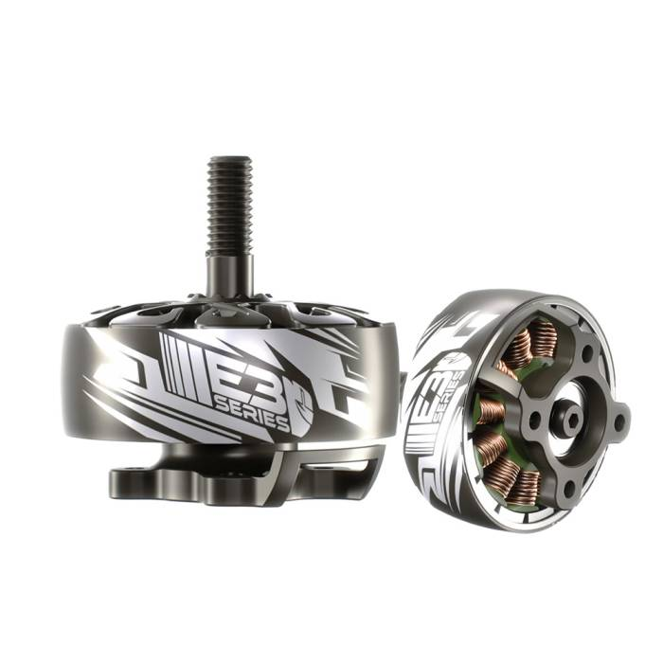
AUW(kg) | Hover gf/rotor | 1.5× gf/rotor | Hover W | Peak W | Li-ion Battery Estimated Mass(g) | Propulsion Mass(g) | Avionics Mass(g) | Power Systems Mass(g) | Remaining Mass for Frame+misc(g)
1.5 | 375 | 563 | 278 | 464 | 594 | 320 | 389 | 130 | 67
1.6 | 400 | 600 | 301 | 506 | 641 | 320 | 389 | 130 | 120
1.7 | 425 | 638 | 324 | 548 | 687 | 320 | 389 | 130 | 174
1.8 | 450 | 675 | 348 | 590 | 734 | 320 | 389 | 130 | 227
1.9 | 475 | 713 | 371 | 632 | 780 | 320 | 389 | 130 | 281
2 | 500 | 750 | 394 | 673 | 827 | 320 | 389 | 130 | 334
2.1 | 525 | 788 | 422 | 714 | 883 | 320 | 389 | 130 | 378
2.2 | 550 | 825 | 450 | 755 | 938 | 320 | 389 | 130 | 423
2.3 | 575 | 863 | 478 | 796 | 994 | 320 | 389 | 130 | 467
2.4 | 600 | 900 | 506 | 836 | 1,050 | 320 | 389 | 130 | 511
2.5 | 625 | 938 | 534 | 877 | 1,106 | 320 | 389 | 130 | 555
2.6 | 650 | 975 | 562 | 918 | 1,162 | 320 | 389 | 130 | 599
2.7 | 675 | 1013 | 590 | 959 | 1,217 | 320 | 389 | 130 | 644
2.8 | 700 | 1050 | 618 | 1,000 | 1,273 | 320 | 389 | 130 | 688
2.9 | 725 | 1088 | 646 | 1,060 | 1,329 | 320 | 389 | 130 | 732
3 | 750 | 1125 | 673 | 1,120 | 1,384 | 320 | 389 | 130 | 777
3.1 | 775 | 1163 | 700 | 1,180 | 1,438 | 320 | 389 | 130 | 823
3.2 | 800 | 1200 | 727 | 1,240 | 1,492 | 320 | 389 | 130 | 869
3.3 | 825 | 1238 | 755 | 1,300 | 1,547 | 320 | 389 | 130 | 914
3.4 | 850 | 1275 | 782 | 1,359 | 1,601 | 320 | 389 | 130 | 960
3.5 | 875 | 1313 | 809 | 1,419 | 1,656 | 320 | 389 | 130 | 1,005
3.6 | 900 | 1350 | 836 | 1,482 | 1,710 | 320 | 389 | 130 | 1,051
3.7 | 925 | 1388 | 864 | 1,546 | 1,764 | 320 | 389 | 130 | 1,097
3.8 | 950 | 1425 | 891 | 1,610 | 1,819 | 320 | 389 | 130 | 1,142
3.9 | 975 | 1463 | 918 | 1,674 | 1,873 | 320 | 389 | 130 | 1,188
4 | 1000 | 1500 | 945 | 1,738 | 1,928 | 320 | 389 | 130 | 1,233
4.1 | 1025 | 1538 | 973 | 1,802 | 1,982 | 320 | 389 | 130 | 1,279
4.2 | 1050 | 1575 | 1,000 | 1,866 | 2,036 | 320 | 389 | 130 | 1,325
4.3 | 1075 | 1613 | 1,040 | 1,930 | 2,116 | 320 | 389 | 130 | 1,345
4.4 | 1100 | 1650 | 1,080 | 1,998 | 2,196 | 320 | 389 | 130 | 1,365
4.5 | 1125 | 1688 | 1,120 | 2,065 | 2,276 | 320 | 389 | 130 | 1,385
4.6 | 1150 | 1725 | 1,160 | 2,133 | 2,355 | 320 | 389 | 130 | 1,406
4.7 | 1175 | 1763 | 1,200 | 2,201 | 2,435 | 320 | 389 | 130 | 1,426
4.8 | 1200 | 1800 | 1,240 | 2,269 | 2,515 | 320 | 389 | 130 | 1,446
4.9 | 1225 | 1838 | 1,280 | 2,337 | 2,595 | 320 | 389 | 130 | 1,466
5 | 1250 | 1875 | 1,320 | 2,405 | 2,674 | 320 | 389 | 130 | 1,487
5.1 | 1275 | 1913 | 1,359 | 2,472 | 2,754 | 320 | 389 | 130 | 1,507
5.2 | 1300 | 1950 | 1,399 | 2,540 | 2,834 | 320 | 389 | 130 | 1,527
5.3 | 1325 | 1988 | 1,440 | 2,620 | 2,915 | 320 | 389 | 130 | 1,546
5.4 | 1350 | 2025 | 1,482 | 2,700 | 3,000 | 320 | 389 | 130 | 1,561
5.5 | 1375 | 2063 | 1,525 | 2,780 | 3,085 | 320 | 389 | 130 | 1,576
5.6 | 1400 | 2100 | 1,568 | 2,860 | 3,170 | 320 | 389 | 130 | 1,591

